Sheet1
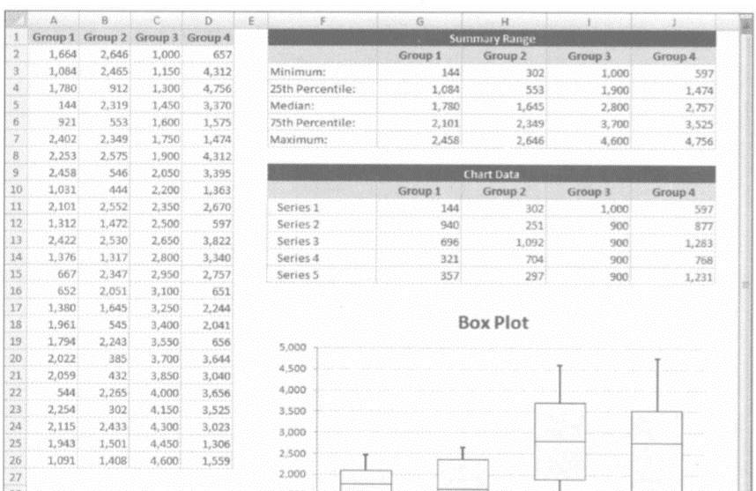
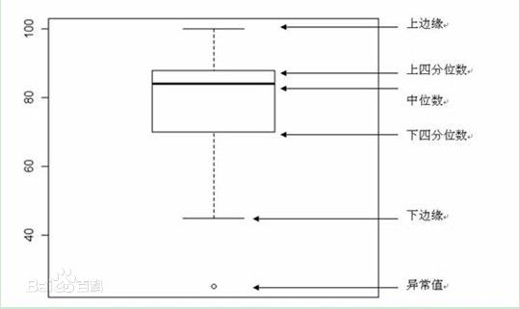
Times | Group1 | Group2 | Group3 | Group4 | Series | Group1 | Group2 | Group3 | Group4
1 | 1665 | 2646 | 1000 | 657 | Series1 | 145 | 302 | 1000 | 597
2 | 1085 | 2465 | 1150 | 4312 | Series2 | 940 | 251 | 1200 | 877
3 | 1779 | 912 | 1450 | 4756 | Series3 | 694 | 1498 | 900 | 1196
4 | 145 | 2319 | 1600 | 3370 | Series4 | 322 | 382 | 750 | 725
5 | 930 | 553 | 1750 | 1575 | Series5 | 357 | 213 | 900 | 1361
6 | 2402 | 2349 | 1900 | 1474
7 | 2253 | 2575 | 2050 | 4312
8 | 2458 | 546 | 2200 | 3395
 | Group0 | Group1 | Group2 | Group3 | Group4 | Group5
Group1 |  | 144 | 940 | 696 | 321
Group2 |  | 302 | 251 | 1092 | 704
Group3 |  | 1000 | 900 | 900 | 900
Group4 |  | 597 | 877 | 1283 | 768
9 | 1031 | 444 | 2350 | 1363
10 | 2101 | 2552 | 2500 | 2670
11 | 1312 | 1472 | 2650 | 597
12 | 2422 | 2530 | 2800 | 3822
13 | 1376 | 1317 | 2950 | 3340
14 | 667 | 2347 | 3100 | 2752
15 | 652 | 2051 | 3250 | 651
16 | 1380 | 2645 | 3400 | 2244
17 | 1961 | 545 | 3550 | 2041
18 | 1794 | 2243 | 3700 | 656
19 | 2022 | 385 | 3850 | 3644
20 | 2059 | 432 | 4000 | 3040
21 | 544 | 2265 | 4150 | 3656
22 | 2254 | 302 | 4300 | 2535
23 | 2115 | 2433 | 4450 | 3022
24 | 1943 | 1501 | 3250 | 1304
25 | 1091 | 1408 | 4600 | 1560

 | Group1 | Group2 | Group3 | Group4
Minimum | 145 | 302 | 1000 | 597
25th Percentile | 1085 | 553 | 2050 | 1474
Median | 1779 | 2051 | 2950 | 2670
75th Percentile | 2101 | 2433 | 3700 | 3395
Maximum | 2458 | 2646 | 4600 | 4756

Series1 | 145 | 302 | 1000 | 597
Series2 | 940 | 251 | 1050 | 877
Series3 | 694 | 1498 | 900 | 1196
Series4 | 322 | 382 | 750 | 725
Series5 | 357 | 213 | 900 | 1361

箱型图 (2)
 | Group0 | Group1 | Group2 | Group3 | Group4 | Group5
Series1 |  | 144 | 302 | 1000 | 597
Series2 |  | 940 | 251 | 900 | 877
Series3 |  | 696 | 1092 | 900 | 1283
Series4 |  | 321 | 704 | 900 | 768
Series5 |  | 357 | 297 | 900 | 1231

 |  |  | 3200 | 3600
 |  |  | 4123 | 3924

Group0 |  | 144 | 940 | 696 | 321
Group1 |  | 302 | 251 | 1092 | 704
Group2 |  | 1000 | 900 | 900 | 900
Group3 |  | 597 | 877 | 1283 | 768
Group4
Group5

 | Group0 | Group1 | Group2 | Group3 | Group4 | Group5
Group1 |  | 144 | 940 | 696 | 321
Group2 |  | 302 | 251 | 1092 | 704
Group3 |  | 1000 | 900 | 900 | 900
Group4 |  | 597 | 877 | 1283 | 768

Group0 |  | 144 | 940 | 696 | 321 | 3200 | 3600
Group1 |  | 302 | 251 | 1092 | 704 | 4123 | 3924
Group2 |  | 1000 | 900 | 900 | 900
Group3 |  | 597 | 877 | 1283 | 768
Group4
Group5

Group0 |  | 144 | 940 | 696 | 321
Group1 |  | 302 | 251 | 1092 | 704
Group2 |  | 1000 | 900 | 900 | 900
Group3 |  | 597 | 877 | 1283 | 768
Group4
Group5
Group0 |  | 144 | 940 | 696 | 321
Group1 |  | 302 | 251 | 1092 | 704
Group2 |  | 1000 | 900 | 900 | 900
Group3 |  | 597 | 877 | 1283 | 768
Group4
Group5

箱型图
Chart Data
 | Group0 | Group1 | Group2 | Group3 | Group4 | Group5
Series1 |  | 144 | 302 | 1000 | 597
Series2 |  | 940 | 251 | 900 | 877
Series3 |  | 696 | 1092 | 900 | 1283
Series4 |  | 321 | 704 | 900 | 768
Series5 |  | 357 | 297 | 900 | 1231

 |  |  | 3200 | 3600
 |  |  | 4123 | 3924

198,123,254

Group0 |  | 144 | 940 | 696 | 321
Group1 |  | 302 | 251 | 1092 | 704
Group2 |  | 1000 | 900 | 900 | 900
Group3 |  | 597 | 877 | 1283 | 768
Group4
Group5
Group0 |  | 144 | 940 | 696 | 321 | 3200 | 3600
Group1 |  | 302 | 251 | 1092 | 704 | 4123 | 3924
Group2 |  | 1000 | 900 | 900 | 900
Group3 |  | 597 | 877 | 1283 | 768
Group4
Group5

0,186,56

Group0 |  | 144 | 940 | 696 | 321
Group1 |  | 302 | 251 | 1092 | 704
Group2 |  | 1000 | 900 | 900 | 900
Group3 |  | 597 | 877 | 1283 | 768
Group4
Group5

